Throughput by Time
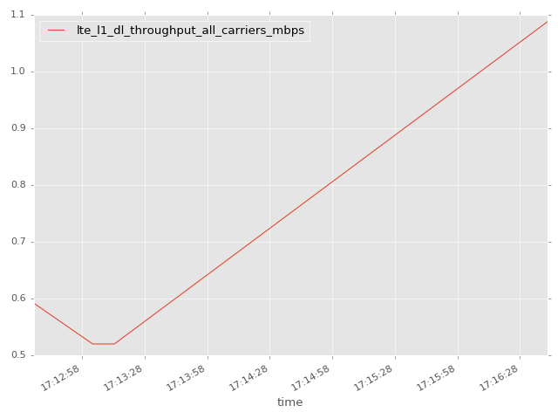
App Throughput by Time Graph | LTE Throughput by Time Graph

gsm_rxlev_sub_dbm
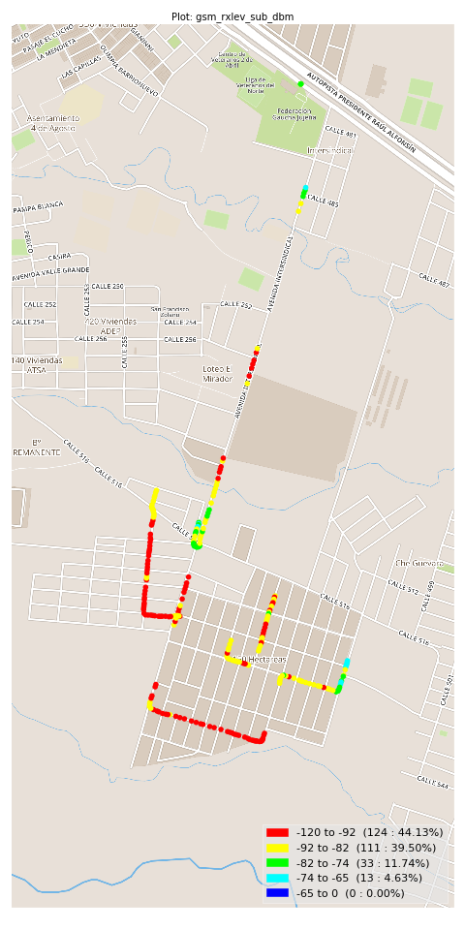
gsm_rxlev_sub_dbm Report

Sampling Distribution Histogram
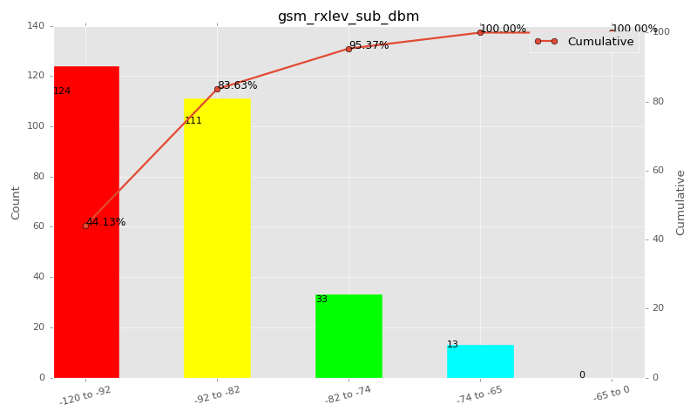

Sampling Distribution Table (first 10 ranges)
ColorXml | Lower | Upper | N Samples | Range | % | Cumulative %
 | -120 | -92 | 124 | -120 to -92 | 44.13 | 44.13
 | -92 | -82 | 111 | -92 to -82 | 39.50 | 83.63
 | -82 | -74 | 33 | -82 to -74 | 11.74 | 95.37
 | -74 | -65 | 13 | -74 to -65 | 4.63 | 100.00
 | -65 | 0 | 0 | -65 to 0 | 0.00 | 100.00

Basic statistics
N | 281
Mean | -90.49
SD | 7.63
MAX | -70.00
Median | -92.00
Min | -110.00

Geographical Plot

gsm_rxqual_sub
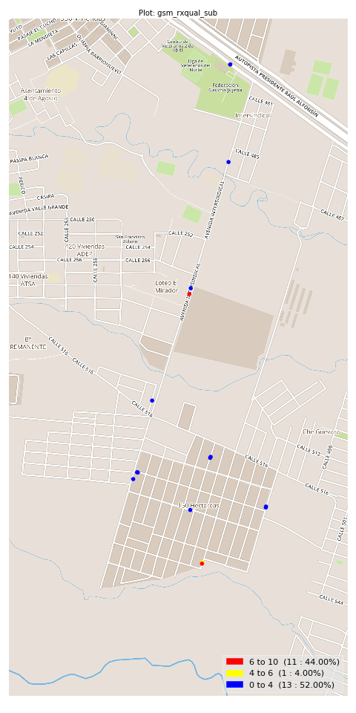
gsm_rxqual_sub Report

Sampling Distribution Histogram
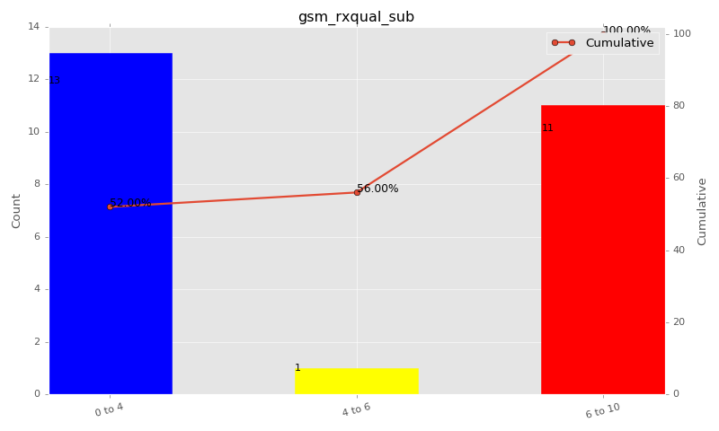

Sampling Distribution Table (first 10 ranges)
ColorXml | Lower | Upper | N Samples | Range | % | Cumulative %
 | 0 | 4 | 13 | 0 to 4 | 52.00 | 52.00
 | 4 | 6 | 1 | 4 to 6 | 4.00 | 56.00
 | 6 | 10 | 11 | 6 to 10 | 44.00 | 100.00

Basic statistics
N | 25
Mean | 3.24
SD | 3.47
MAX | 7.00
Median | 0.00
Min | 0.00

Geographical Plot

gsm_arfcn_bcch
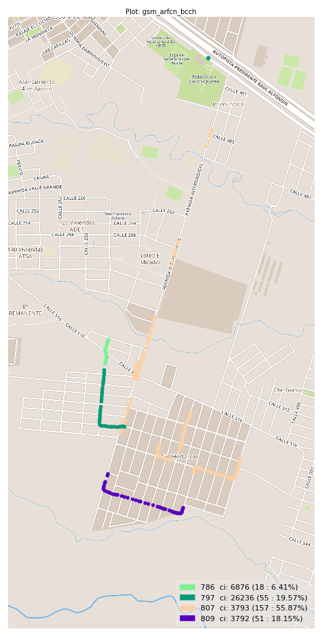
gsm_arfcn_bcch Report

Sampling Distribution Histogram
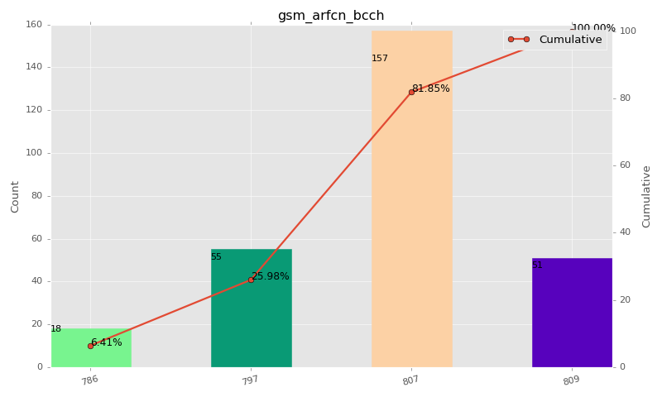

Sampling Distribution Table (first 10 ranges)
ColorXml | Lower | Upper | match_value | N Samples | Range | % | Cumulative %
 |  |  | 786 | 18 |  | 6.41 | 6.41
 |  |  | 797 | 55 |  | 19.57 | 25.98
 |  |  | 807 | 157 |  | 55.87 | 81.85
 |  |  | 809 | 51 |  | 18.15 | 100.00

Basic statistics
N | 281
Mean | N/A (id-type column: gsm_arfcn_bcch)
SD | N/A (id-type column: gsm_arfcn_bcch)
MAX | N/A (id-type column: gsm_arfcn_bcch)
Median | N/A (id-type column: gsm_arfcn_bcch)
Min | N/A (id-type column: gsm_arfcn_bcch)

Geographical Plot

lte_l1_dl_throughput_all_carri
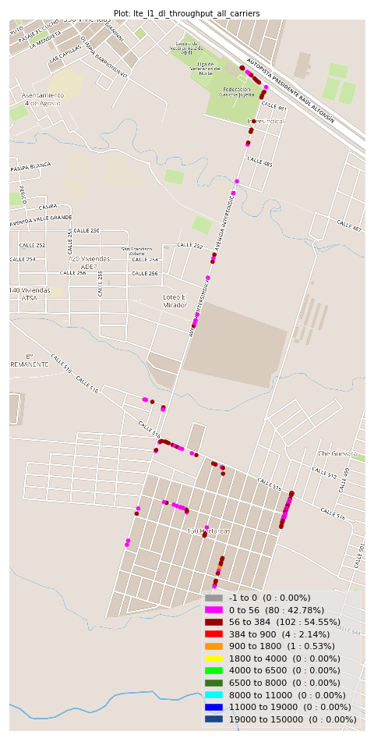
lte_l1_dl_throughput_all_carriers Report

Sampling Distribution Histogram
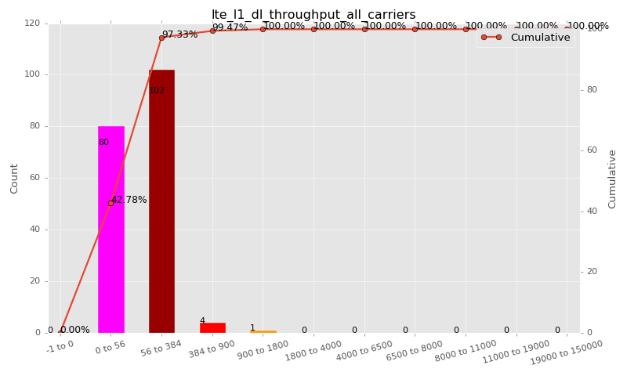

Sampling Distribution Table (first 10 ranges)
ColorXml | Lower | Upper | N Samples | Range | % | Cumulative %
 | -1 | 0 | 0 | -1 to 0 | 0.00 | 0.00
 | 0 | 56 | 80 | 0 to 56 | 42.78 | 42.78
 | 56 | 384 | 102 | 56 to 384 | 54.55 | 97.33
 | 384 | 900 | 4 | 384 to 900 | 2.14 | 99.47
 | 900 | 1800 | 1 | 900 to 1800 | 0.53 | 100.00
 | 1800 | 4000 | 0 | 1800 to 4000 | 0.00 | 100.00
 | 4000 | 6500 | 0 | 4000 to 6500 | 0.00 | 100.00
 | 6500 | 8000 | 0 | 6500 to 8000 | 0.00 | 100.00
 | 8000 | 11000 | 0 | 8000 to 11000 | 0.00 | 100.00
 | 11000 | 19000 | 0 | 11000 to 19000 | 0.00 | 100.00

Basic statistics
N | 187
Mean | 82.25
SD | 112.92
MAX | 1088.00
Median | 80.00
Min | 1.39

Geographical Plot

lte_inst_rsrp_1
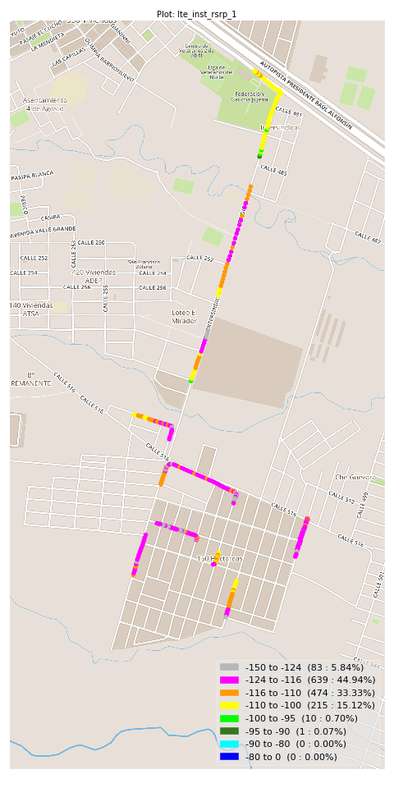
lte_inst_rsrp_1 Report

Sampling Distribution Histogram
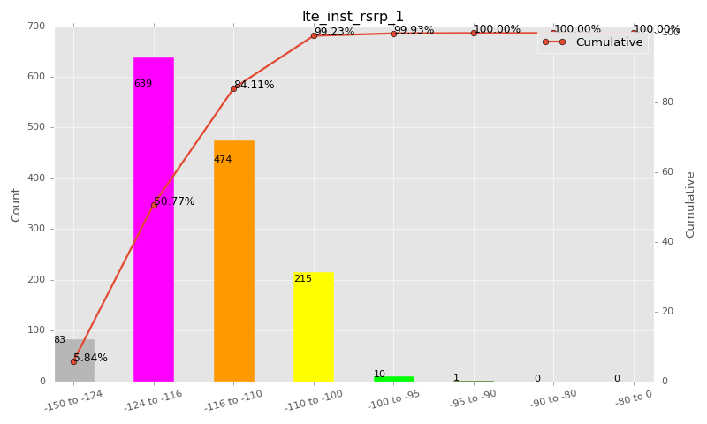

Sampling Distribution Table (first 10 ranges)
ColorXml | Lower | Upper | N Samples | Range | % | Cumulative %
 | -150 | -124 | 83 | -150 to -124 | 5.84 | 5.84
 | -124 | -116 | 639 | -124 to -116 | 44.94 | 50.77
 | -116 | -110 | 474 | -116 to -110 | 33.33 | 84.11
 | -110 | -100 | 215 | -110 to -100 | 15.12 | 99.23
 | -100 | -95 | 10 | -100 to -95 | 0.70 | 99.93
 | -95 | -90 | 1 | -95 to -90 | 0.07 | 100.00
 | -90 | -80 | 0 | -90 to -80 | 0.00 | 100.00
 | -80 | 0 | 0 | -80 to 0 | 0.00 | 100.00

Basic statistics
N | 1422
Mean | -115.85
SD | 6.15
MAX | -94.66
Median | -116.19
Min | -128.25

Geographical Plot

lte_inst_rsrq_1
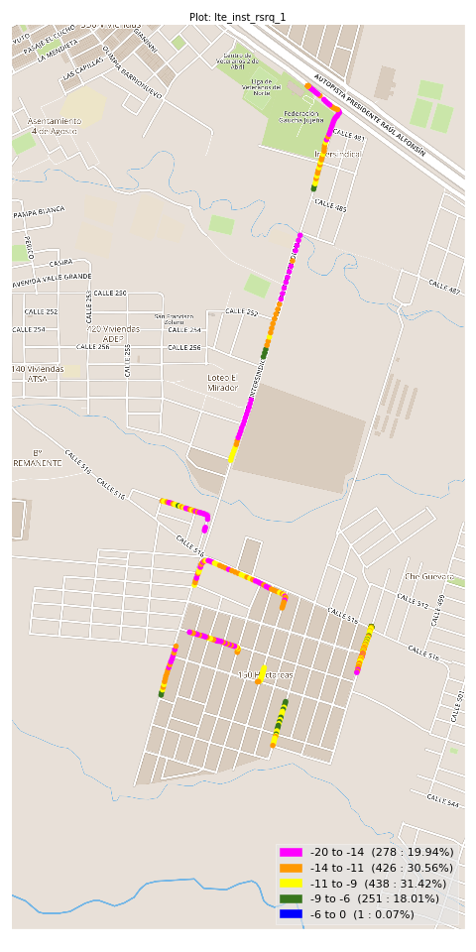
lte_inst_rsrq_1 Report

Sampling Distribution Histogram
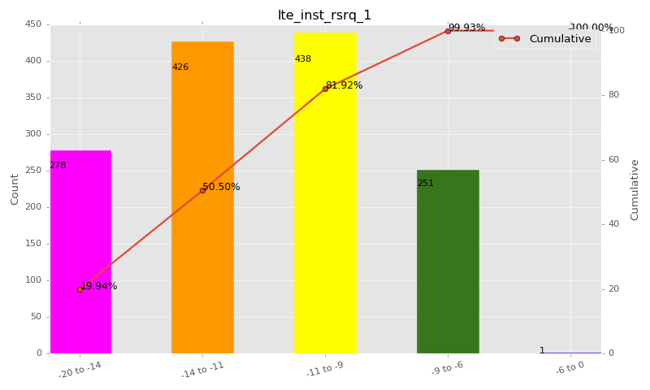

Sampling Distribution Table (first 10 ranges)
ColorXml | Lower | Upper | N Samples | Range | % | Cumulative %
 | -20 | -14 | 278 | -20 to -14 | 19.94 | 19.94
 | -14 | -11 | 426 | -14 to -11 | 30.56 | 50.50
 | -11 | -9 | 438 | -11 to -9 | 31.42 | 81.92
 | -9 | -6 | 251 | -9 to -6 | 18.01 | 99.93
 | -6 | 0 | 1 | -6 to 0 | 0.07 | 100.00

Basic statistics
N | 1422
Mean | -11.83
SD | 3.09
MAX | -5.12
Median | -11.11
Min | -25.09

Geographical Plot

lte_inst_rssi_1
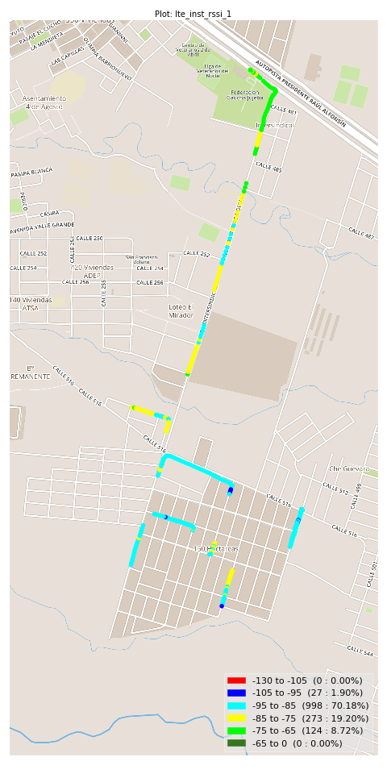
lte_inst_rssi_1 Report

Sampling Distribution Histogram
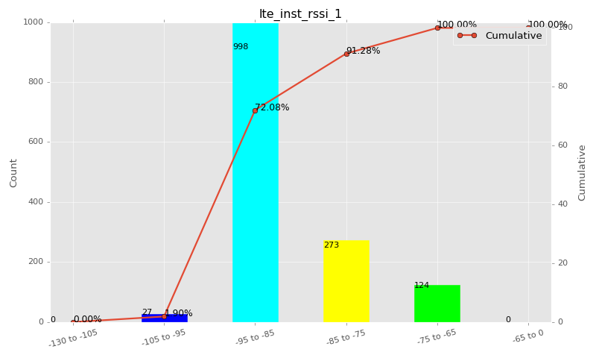

Sampling Distribution Table (first 10 ranges)
ColorXml | Lower | Upper | N Samples | Range | % | Cumulative %
 | -130 | -105 | 0 | -130 to -105 | 0.00 | 0.00
 | -105 | -95 | 27 | -105 to -95 | 1.90 | 1.90
 | -95 | -85 | 998 | -95 to -85 | 70.18 | 72.08
 | -85 | -75 | 273 | -85 to -75 | 19.20 | 91.28
 | -75 | -65 | 124 | -75 to -65 | 8.72 | 100.00
 | -65 | 0 | 0 | -65 to 0 | 0.00 | 100.00

Basic statistics
N | 1422
Mean | -86.65
SD | 6.36
MAX | -65.50
Median | -88.35
Min | -96.62

Geographical Plot

lte_sinr_rx0_1
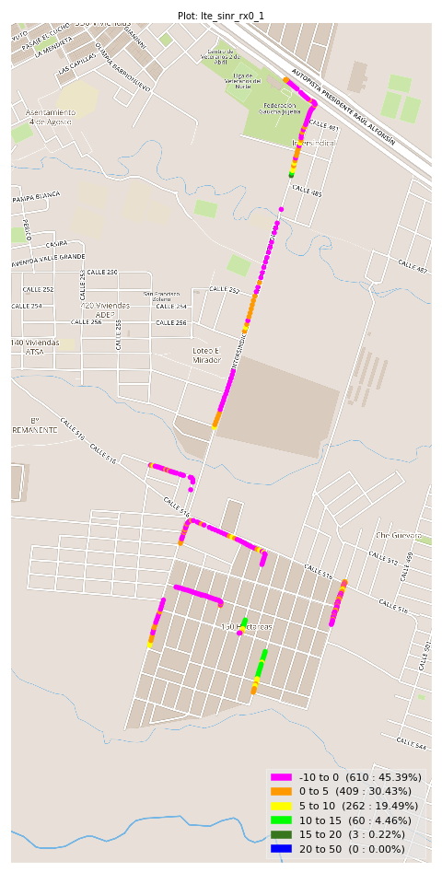
lte_sinr_rx0_1 Report

Sampling Distribution Histogram
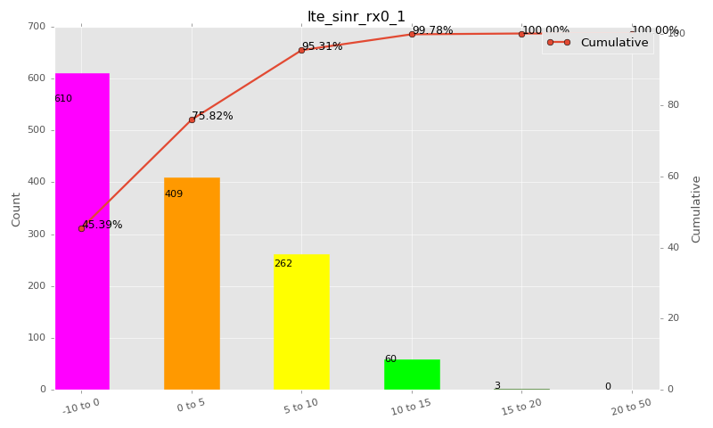

Sampling Distribution Table (first 10 ranges)
ColorXml | Lower | Upper | N Samples | Range | % | Cumulative %
 | -10 | 0 | 610 | -10 to 0 | 45.39 | 45.39
 | 0 | 5 | 409 | 0 to 5 | 30.43 | 75.82
 | 5 | 10 | 262 | 5 to 10 | 19.49 | 95.31
 | 10 | 15 | 60 | 10 to 15 | 4.46 | 99.78
 | 15 | 20 | 3 | 15 to 20 | 0.22 | 100.00
 | 20 | 50 | 0 | 20 to 50 | 0.00 | 100.00

Basic statistics
N | 1395
Mean | 0.44
SD | 5.64
MAX | 18.70
Median | 0.40
Min | -18.00

Geographical Plot

lte_sinr_rx1_1
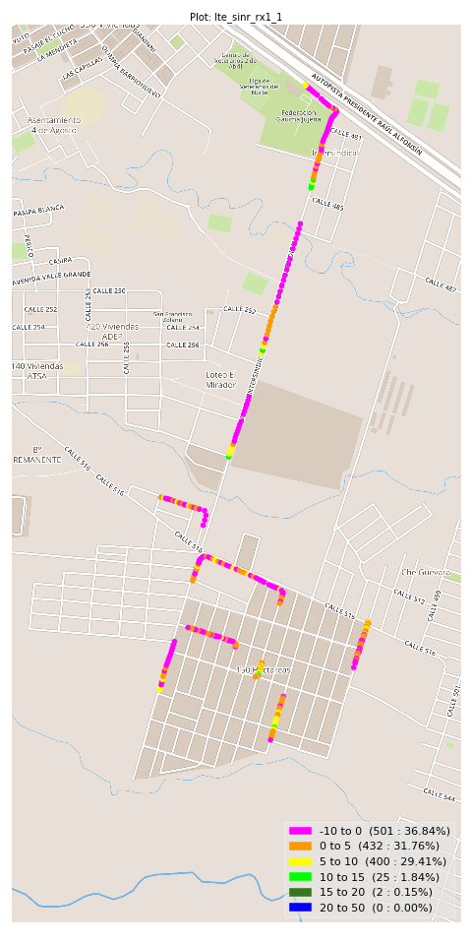
lte_sinr_rx1_1 Report

Sampling Distribution Histogram
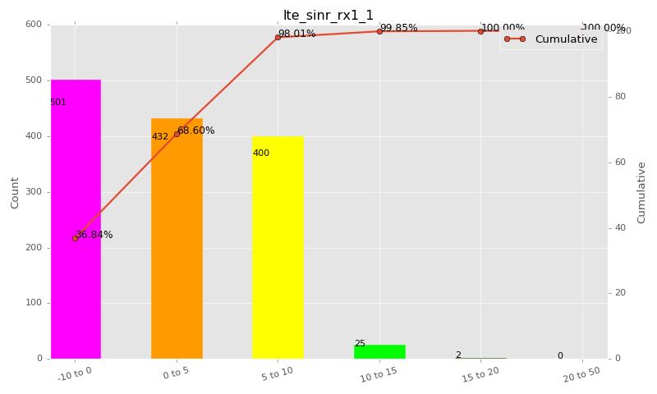

Sampling Distribution Table (first 10 ranges)
ColorXml | Lower | Upper | N Samples | Range | % | Cumulative %
 | -10 | 0 | 501 | -10 to 0 | 36.84 | 36.84
 | 0 | 5 | 432 | 0 to 5 | 31.76 | 68.60
 | 5 | 10 | 400 | 5 to 10 | 29.41 | 98.01
 | 10 | 15 | 25 | 10 to 15 | 1.84 | 99.85
 | 15 | 20 | 2 | 15 to 20 | 0.15 | 100.00
 | 20 | 50 | 0 | 20 to 50 | 0.00 | 100.00

Basic statistics
N | 1406
Mean | 1.20
SD | 5.63
MAX | 15.40
Median | 2.04
Min | -18.90

Geographical Plot

lte_physical_cell_id_1
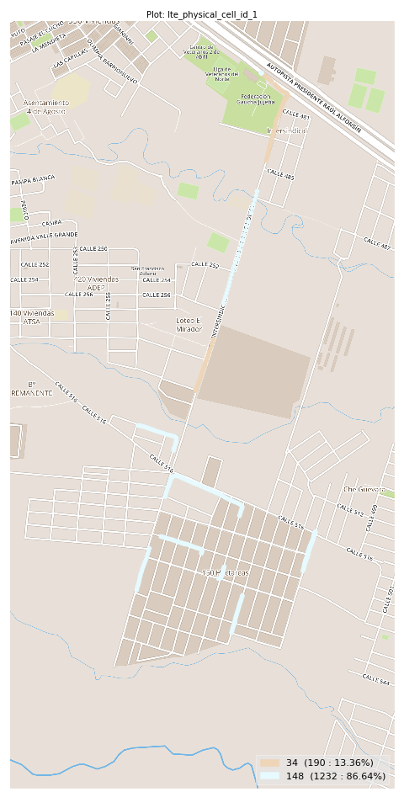
lte_physical_cell_id_1 Report

Sampling Distribution Histogram
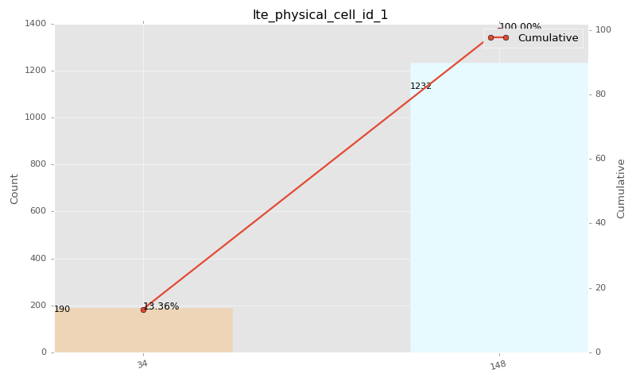

Sampling Distribution Table (first 10 ranges)
ColorXml | Lower | Upper | match_value | N Samples | Range | % | Cumulative %
 |  |  | 34 | 190 |  | 13.36 | 13.36
 |  |  | 148 | 1232 |  | 86.64 | 100.00

Basic statistics
N | 1422
Mean | N/A (id-type column: lte_physical_cell_id_1)
SD | N/A (id-type column: lte_physical_cell_id_1)
MAX | N/A (id-type column: lte_physical_cell_id_1)
Median | N/A (id-type column: lte_physical_cell_id_1)
Min | N/A (id-type column: lte_physical_cell_id_1)

Geographical Plot

lte_earfcn_1
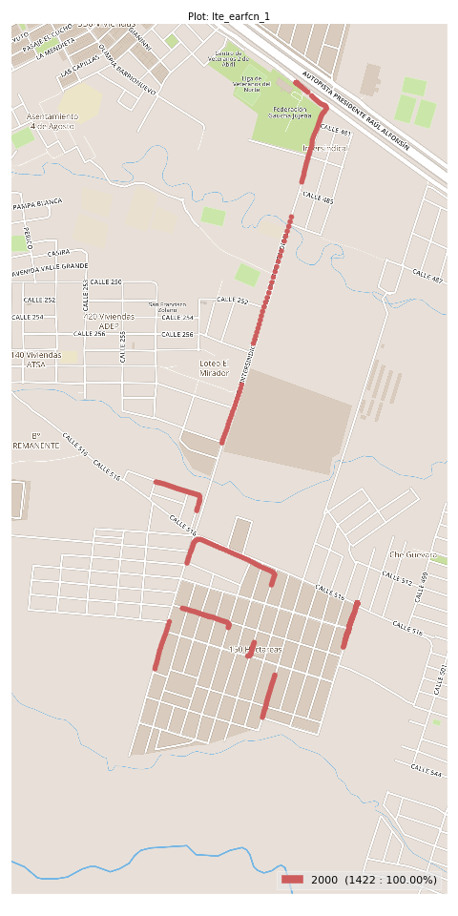
lte_earfcn_1 Report

Sampling Distribution Histogram
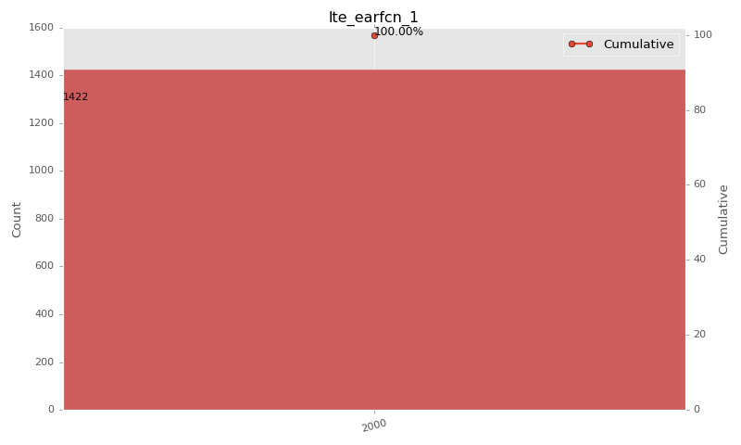

Sampling Distribution Table (first 10 ranges)
ColorXml | Lower | Upper | match_value | N Samples | Range | % | Cumulative %
 |  |  | 2000 | 1422 |  | 100.00 | 100.00

Basic statistics
N | 1422
Mean | N/A (id-type column: lte_earfcn_1)
SD | N/A (id-type column: lte_earfcn_1)
MAX | N/A (id-type column: lte_earfcn_1)
Median | N/A (id-type column: lte_earfcn_1)
Min | N/A (id-type column: lte_earfcn_1)

Geographical Plot

